Profiles
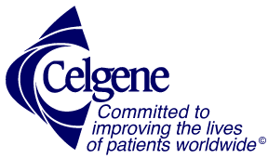
 | CELGENE CORPORATION
 | A global biopharmaceutical company with over 7,000 employees worldwide, got its start in 1986 as a spin off from the Celanese Company and became CELGENE CORPORATION. Incorporated in Delaware and headquartered in New Jersey, Celgene focus is on the discovery, development and commercialization of innovative treatments that improved the lives of patients while discovering and developing medicines for patients with various types of cancer and many other inflammatory disorders.

 | Early this year, Bristol-Myers Squibb announced that it would acquire Celgene Corporation for $95 billion (debt included), which would make this the largest pharmaceutical company acquisition ever. Celgene stockholders would be compensated very well with stock prices at a 54% premium. In the fiscal year 2017, Celgene earned US$2.539 billion, with an annual revenue of US$13.003 billion, a 15.8% increase compared to fiscal year 2016.
 | GILEAD SCIENCES, INC.
 | company was founding of in 1987,Foster City, California, is home to The Gilead worldwide corporate headquarters. Our antiviral research facilities are based here.Gilead Sciences has approximately 289 employees at this location and 9,000 total employees at all locations.With each new drug discovery, Gilead seeks to improve the care of millions of patients living with life-threatening diseases around the world, including regions where access to medicine is limited or does not yet exist.Gilead believes medicines should be accessible to all people who need them, regardless of where they live or what resources they have. Political, social and geographical barriers prevent patients around the world from accessing the best possible care, so we work with partners and grantees to help overcome those barriers.

